Bug Report
Defect Report |  | Defect Report |  | Defect Report |  | Defect Report |  | Defect Report |  | Defect Report |  | Defect Report |  | Defect Report

Release | V.1.0 | Release | V.1.0 | Release | V.1.0 | Release | V.1.0 | Release | V.1.0 | Release | V.1.0 | Release | V.1.0 | Release | V.1.0
Title | User is not able to signup if he/she enters a first name with three characters | Title | The location of the loader in the login page is wrong | Title | The "No available tasks" message will appear when adding a total of 6 tasks | Title | The welcome message doesn't show "USER" instead of the user's first name | Title | Todo list allows a task with three characters to be added | Title | The "No available task" message will appear when adding a total of 5 tasks | Title | Empty Todo list returns after the deletion of the last item of the second page | Title | The "No Available Todos" message appears after the deletion of an item from the first page
Description | It happens in all the browsers and all the screen views, the first name that we used during the testing is HAT | Description | After logging and while waiting the response from the server, the loader will appear in a wrong location, down with alot of margin | Description | In the todo page when you add 6 todos, the message "No available tasks" will appear. | Description | On the Todo page, the welcome message did not appear with "USER" when the user's first name is less than 3 characters. | Description | The Todo list allows the user to add a three-character long task and the task appears on the Todo list. | Description | On the Todo page when you add 5 todos, the "No available tasks" message will appear. | Description | In the second Todo page, when the last item is deleted an empty list is shown and the list doesn't show the remaining items. | Description | In the first Todo page, when an item is deleted and the second page contains only one item, the "No Available Todos" message is shown at the bottom of the page.
Steps | 1- Enter a first name with "HAT". 2- Fill a correct last name. 3- Fill a correct email format, and the email should not be registered in the database. 4- Fill a correct password. 5- Fill a correct confirm password. 6- Click on signup button | Steps | 1- Go to login page 2- Fill the email 3- Fill the password 4- Click on login 5- Check the loader | Steps | 1- Go to the Todo page. 2- Add six tasks. | Steps | 1- Go to the Todo page. 2- Change the user's first name with two characters name. | Steps | 1- Go to the Todo page. 2- Click on the "+" icon on the left of the "Add a new Todo". 3- Fill the "Todo Item" field with three characters. 4- Click on "CREATE TODO". | Steps | 1- Go to the Todo page. 2- Add four tasks. 3- Click on the "+" icon on the left of the "Add a new Todo". 4- Fill the "Todo Item" field with at least four characters. 5- Click on ""CREATE TODO""." | Steps | 1- Go to the Todo page URL. 2- Go to the second page of the Todo list. 3- Make sure it has one item in it. 4- Click on the delete icon on the right side of the task. | Steps | 1- Go to the Todo page URL 2- Make sure the second page has only one item. 2- Go to the first page of the Todo list. 3- Click on the delete icon on the right side of any task.
Expected Results | Should be able to sign up correctly | Expected Results | The loader should appear correctly in the correct location | Expected Results | "No available tasks" should not be visible. | Expected Results | The welcome message should appear with "USER" instead of the user's first name. | Expected Results | Todo item should not be addedn and "New todo is required, and it should be more than 3 characters" error message should appear in red. | Expected Results | The Todo item should be added successfully on the same page as the previous four items and the previous tasks and their statuses should be maintained. | Expected Results | The Todo item should be deleted successfully, the user should be navigated to the first page of the Todo list, the Todo list items and their status should be maintained, and the navigation buttons at the bottom of the page should disappear. | Expected Results | The Todo item should be deleted successfully, the Todo list item on the second page should appear on the first page with their status maintained, the Todo list items and their statuses should be maintained, and the navigation buttons at the bottom of the page should disappear.
Actual Result | This error message was displayed "First Name is required, and it should be more than 3 characters" | Actual Result | The loader will be displayed in a wrong location | Actual Result | No available task is visible. | Actual Result | The welcome message did not appear with "USER", instead it appeared with the user's first name. | Actual Result | Todo item is added. | Actual Result | The Todo item is added successfully on the same page as the previous four items and the previous tasks and their statuses are maintained but the "No Available Todos" message appeared at the bottom of the Todo list. | Actual Result | The Todo list appeared empty and didn't show the remaining tasks. | Actual Result | The "No Available Todos" message appeared at the bottom of the page.
Environment | Chrome V.97 | Environment | Chrome V.97 | Environment | Chrome V.117 | Environment | Chrome V.117 | Environment | Chrome V.117 | Environment | Chrome V.117 | Environment | Chrome V.117 | Environment | Chrome V.117
Screenshot / Video | 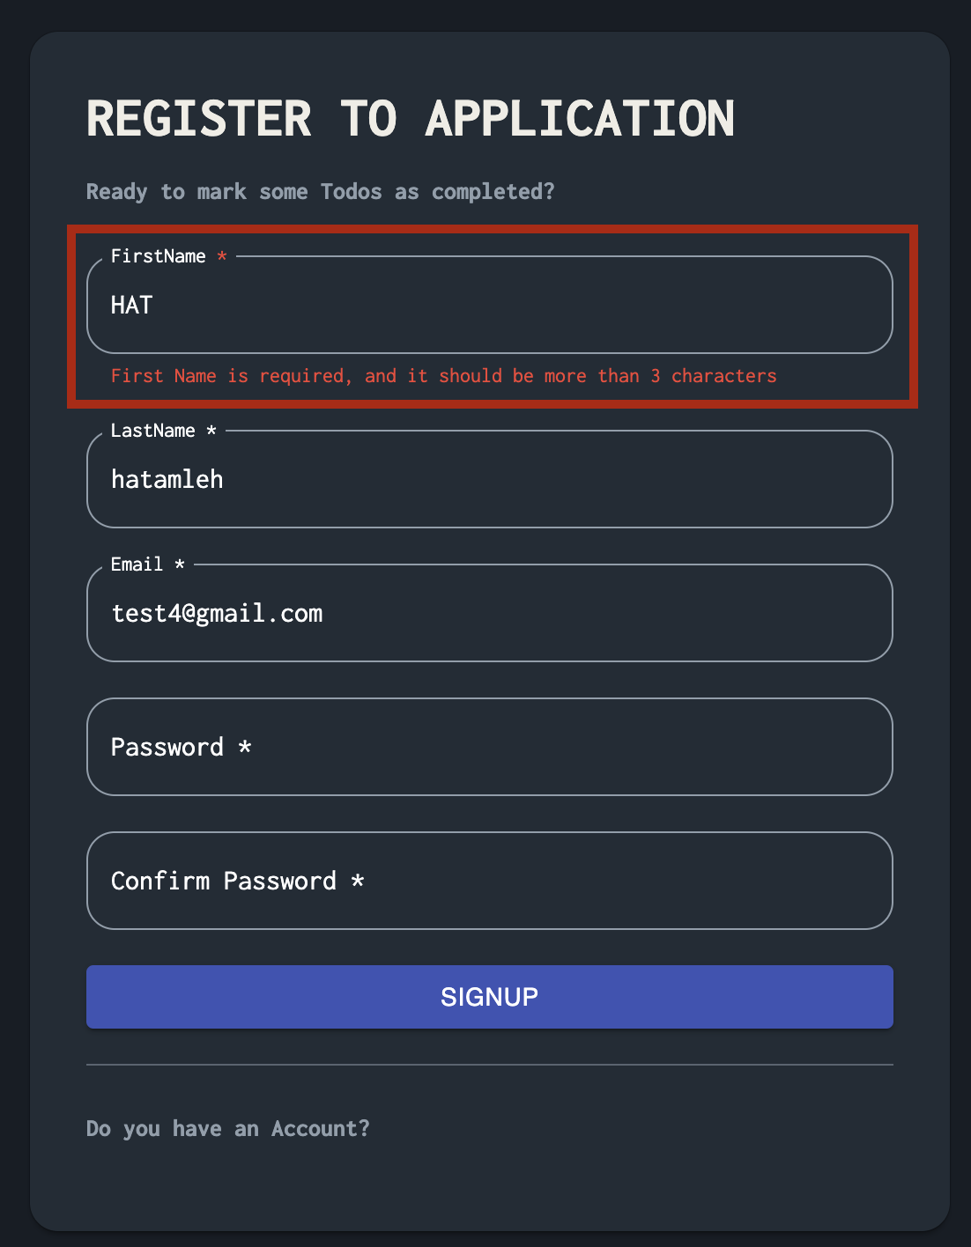 | Screenshot / Video | 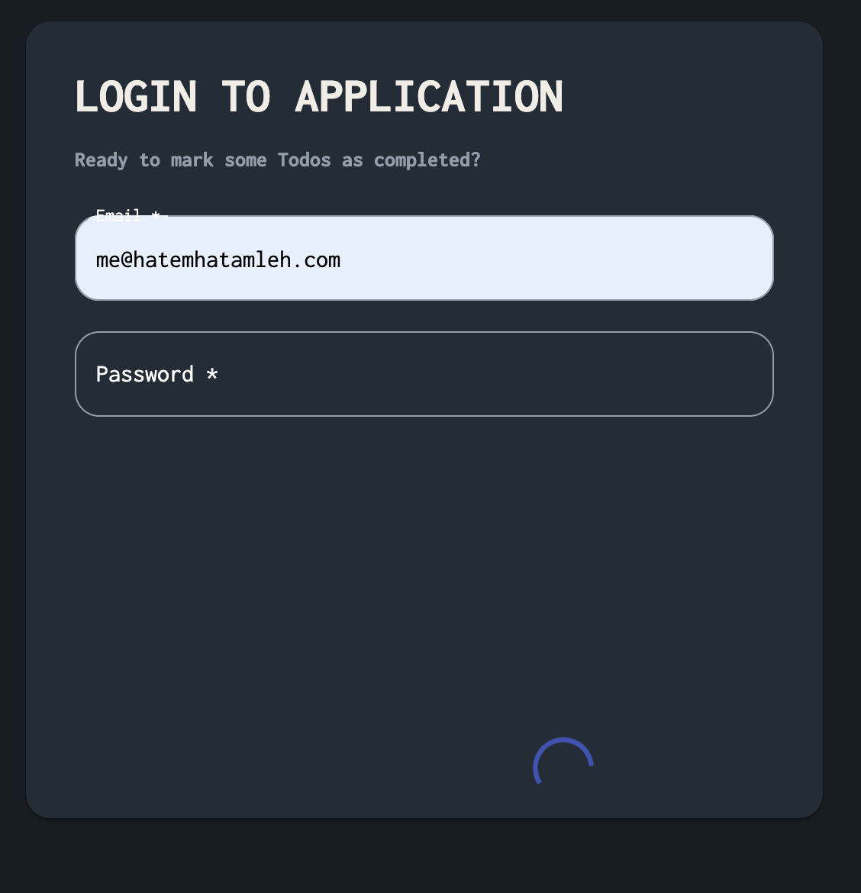 | Screenshot / Video | 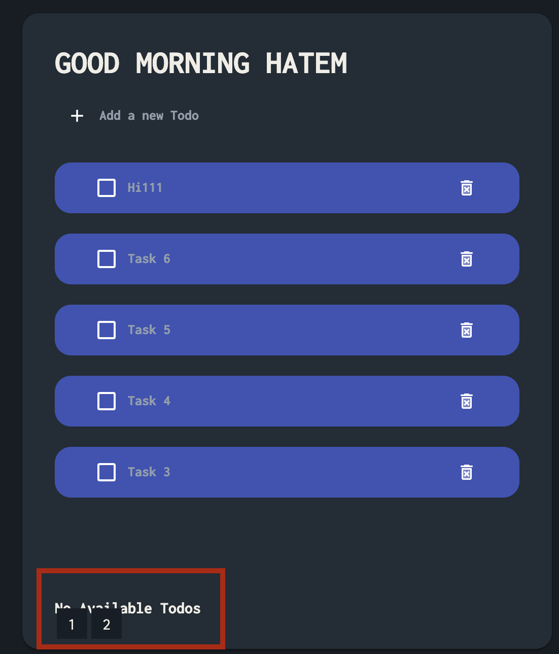 | 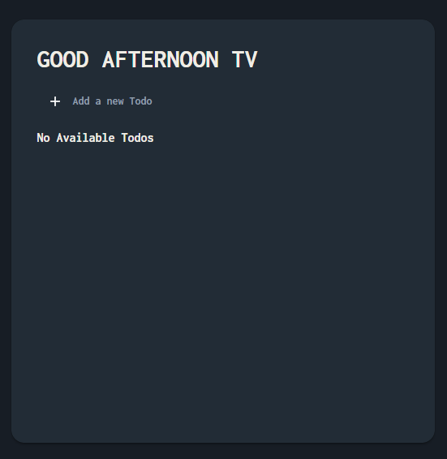 Screenshot / Video |  | 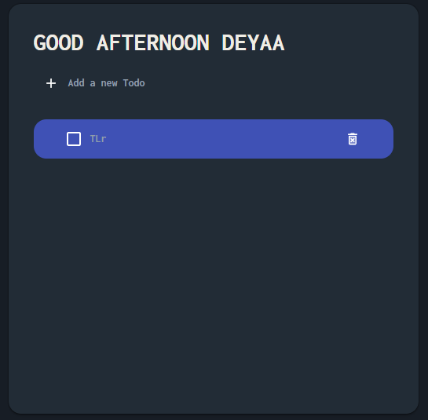 Screenshot / Video |  | 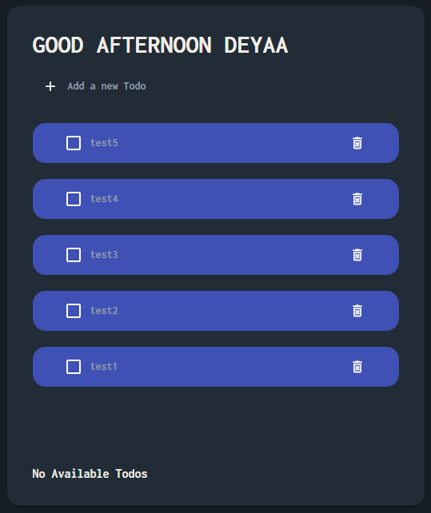 Screenshot / Video |  | 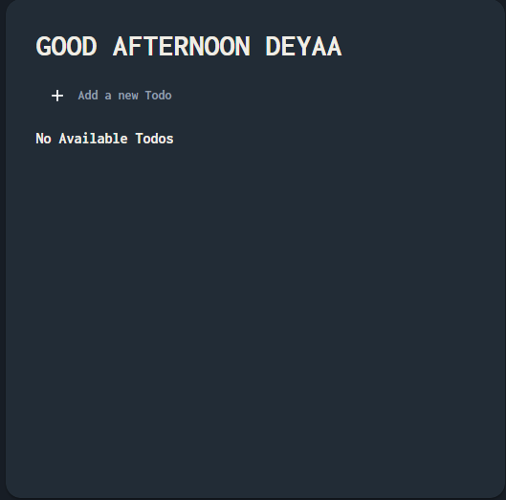 Screenshot / Video |  | 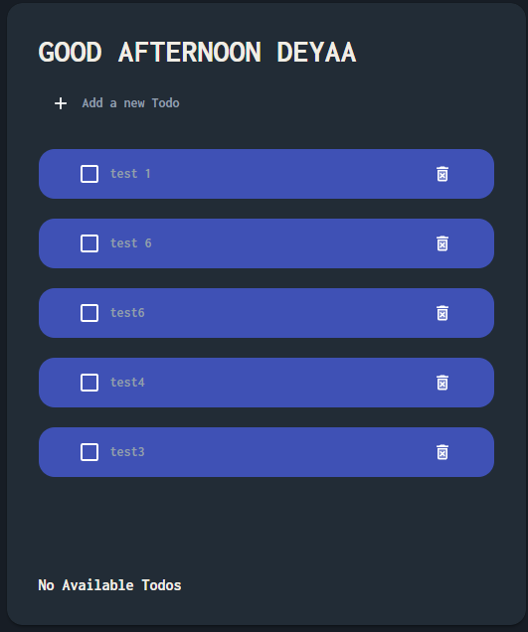 Screenshot / Video
Rate | 2022-05-05 | Rate | 2022-05-05 | Rate | 2022-05-05 | Rate | 2022-05-05 | Rate | 2022-05-05 | Rate | 2022-05-05 | Rate | 2022-05-05 | Rate | 2022-05-05
Priority | B | Priority | C | Priority | A | Priority | C | Priority | B | Priority | A | Priority | A | Priority | A
Status | Closed | Status | Closed | Status | Open | Status | Open | Status | Open | Status | Open | Status | Open | Status | Open
Author | Hatem | Author | Hatem | Author | Deyaa | Author | Deyaa | Author | Deyaa | Author | Deyaa | Author | Deyaa | Author | Deyaa
© Copy rights for QAcart 2022 |  | © Copy rights for QAcart 2022 |  | © Copy rights for QAcart 2022 |  | © Copy rights for QAcart 2022 |  | © Copy rights for QAcart 2022 |  | © Copy rights for QAcart 2022 |  | © Copy rights for QAcart 2022 |  | © Copy rights for QAcart 2022

